1. Title Page
[Grocery Basket Analysis]

Project Name: Instacart Grocery Basket Analysis
Date: 10/6/2023
Analyst Name: Ryan Cemazar

Contents:
Population Flow
Consistency checks
Wrangling steps
Column derivations
Visualizations
Recommendations

2. Population Flow
Title page

Population flow

Exclusion flag
Condition: max_order < 5
Obervations to be removed: 206225
Final total count of order_products_all: 32404859

Orders_products_combined
Orders_products_merged
Orders_products_all

Total: 32404859
Total: 32434489
Total: 32404859

1.) The grey boxes in the first row of the population flow represent the original data sets as they were when you downloaded them. In the Total fields you need to add the count of the rows when you imported the data set into Jupyter.
2.) The second row of boxes (coloured) represents the data sets after you manipulated them, e.g., removed missing values and duplicates. In the Total fields you need to add the count of the rows after conducting these operations. This offers a visual oveview of how the data flows throughout the data consistency checks.
3.) The third row, where also the arrows are coloured, represents the merges you performed between the datasets. In the Total fields you need to add the count of the rows in the merged datasets, so that you end up with the final dataset (in the red box). Keep in mind the final dataset should be without exclusions (based on the exclusion flag).

3. Consistency checks
 |  |  |  | Title page
Consistency checks

Dataset | Missing values | Missing values treatment | Duplicates
orders | 206209 | None, they are needed | 0
products | 16 | Dropped | 5, deleted
orders_products_prior | 0 |  | 0
customers | 0 |  | 0

4. Wrangling steps
 |  |  |  | Title page
Wrangling steps

Columns dropped | Columns renamed | Columns' type changed | Comment/Reason
Eval_set' |  |  | Not needed
 |  | 'Order_id' to a String var. | Not needed for statistical analysis
 |  | User_id' to a String var | Not needed for statistical analysis
 | Department' df reset from row to column
First Name |  |  | Personal Identifying Information
Last Name |  |  | Personal Identifying Information
 | State' to State |  | Consistent with other column styles
 | Surnam' to Last Name |  | British English to American English
 |  | First Name to String Var. | Was originally mixed data type

5. Column derivations
 |  |  |  | Title page

Column derivations and aggregations

In this tab you should add tables below that the frequences of flags/label variables that you produced after deriving them. NB: don't do this for continuous variables, only for flags.
Dataset | New column | Column/s it was derived from | Conditions
Orders_Products_Merged | price_range_loc | price | Low-Range Product <=5 Mid-Range Product >5 & <= 15 High-Range Product >15
Orders_Products_Merged | busiest_day | order_dow | Busiest Day = Day 0 Least Busy = Day 4 Regular Busy = Remaining Days
Orders_Products_Merged | new_busiest_days | order_dow | Busiest Day = Days (0, 1) Slowest Days = Days (3, 4) Regularly Busy Days = Remaining Days
Orders_Products_Merged | busiest_hours | order_hour_of_day | Most Orders = Hours (9, 10, 11, 12, 13, 14, 15, 16) Fewest Orders = Hours (0, 1, 2, 3, 4, 5) Average Orders = Remaining Hours
Orders_Products_Merged_Updated | max_order | user_id & order_number | Maximum number of orders placed by each user_id
Orders_Products_Merged_Updated | loyalty_flag | max_order | Loyal Customer = (max_order > 40) Regular Customer = (max_order > 10, <= 40) New Customer = (max_order <= 10)
Orders_Products_Merged_Updated | order_freq | days_since_prior_order | Median number of days since prior order by each user_id
Orders_Products_Merged_Updated | spender_flag | price | Low Spender = Mean product purchase price < 10 High Spender = Mean product purchase price >= 10
Orders_Products_Merged_Updated | frequency_flag | order_freq | Frequent Customer = (order_freq. <= 10) Regular Customer = (order_freq. > 10, <= 20) Non Frequent Customer = (order_freq. > 20)
Orders_products_all | region | State | North East = ('Maine', 'New Hampshire', 'Vermont', 'Massachusetts', 'Rhode Island', 'Connecticut', 'New York', 'Pennsylvania', 'New Jersey') Midwest = ('Wisconsin', 'Michigan', 'Illinois', 'Indiana', 'Ohio', 'North Dakota', 'South Dakota', 'Nebraska', 'Kansas', 'Minnesota', 'Iowa', 'Missouri') South = ('Delaware', 'Maryland', 'District of Columbia', 'Virginia', 'West Virginia', 'North Carolina', 'South Carolina', 'Georgia', 'Florida', 'Kentucky', 'Tennessee', 'Mississippi', 'Alabama', 'Oklahoma', 'Texas', 'Arkansas', 'Louisiana' West = ('Idaho', 'Montana', 'Wyoming', 'Nevada', 'Utah', 'Colorado', 'Arizona', 'New Mexico', 'Alaska', 'Washington', 'Oregon', 'California', 'Hawaii'
Orders_products_all | customer_activity_flag | order_number | Low Activity < 5 , High Activity >=5
Orders_products_all | age_group | age | Age = (18-29), (30-39), (40-49), (50-64), (65+)
Orders_products_all | income_group | income | Low Income = (Income <= 67004) Middle Income = (Income > 67004, <= 96618) High Income = (Income > 96618, <= 127912) Very High Income > (Income <= 127912)
Orders_products_all | dept_label | department_id | Groceries = (Department_id = 1, 4, 7, 9, 10, 12, 13, 15, 16, 19, 20) Non_Groceries = (Department_id = 3, 5, 6, 8, 11, 14, 17, 18) Other = (Department_id = 2, 21)
Orders_products_all | n_dependants_group | n_dependants | Single Adult = (n-dependants = 0) Young Parent = (n-dependants = 1) Large Family = (n-dependants >= 2)

6. Visualizations
 |  | Title page

Visualisations

In this tab you should include all the visualtions from Exercises 4.9 and 4.10, alongside the questions from the project brief that they answer. Include any commentary on the relationship between different variables.


Frequency of Orders per Hour of Day

Frequency of Orders per Day of the Week

Frequency

Order Day of the Week
Order Hour of Day

Q1: The sales team needs to know what the busiest days of the week and hours of the day are (i.e., the days and times with the most orders) in order to schedule ads at times when there are fewer orders.

In the first histogram "Frequency of Orders per Hour of Day, we see that the busiest hours are from hours 9 - 16 (9 am to 4 pm). The least busy hours are understandably from hours 0 - 5 (12am to 5 am), while hours 6 - 8 (6 am to 8 am) and 17 - 23 (5 pm to 11 pm) are defined as Average Order Hours.
The second chart shows us the busiest days of the week are Saturday and Sunday with Tuesday and Wednesday being the slowest. The remaining days of Monday, Tuesday and Thursday are defined are Regularly Busy.

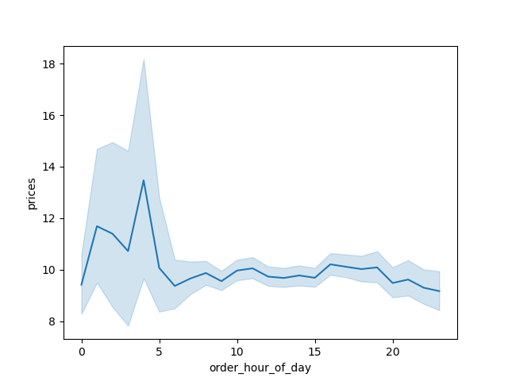
Prices by Hour of Day

Q2: Are there particular times of day when people spend the most money?

The line graph above, "Prices by hourof day" shows us the average price spent by hour of day. We see 2 spikes at 2 am and 4 am. Although these hours are typically among the least busy hours, when people do place an order than they tend to buy more expensive items.

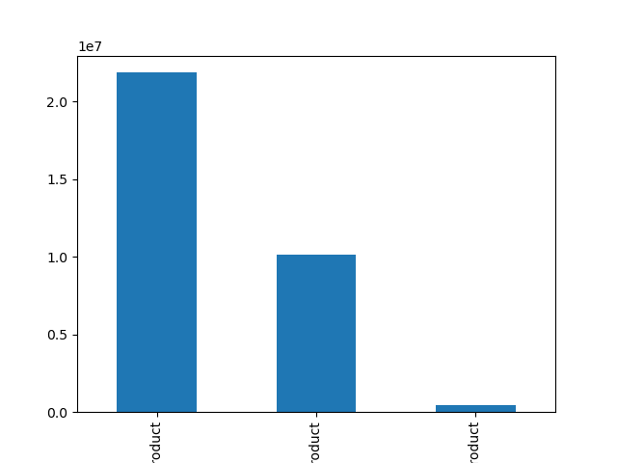
Frequency of Price Category Purchases

Frequency

Mid-Range Product
Low-Range Product
High-Range Product

Q3: Instacart has a lot of products with different price tags. Marketing and sales want to use simpler price range groupings to help direct their efforts

The graph above shows us the frequency of price range groupings purchased. Mid range products are the most frequently purchased group, doubling that of low-range products in 2nd place.

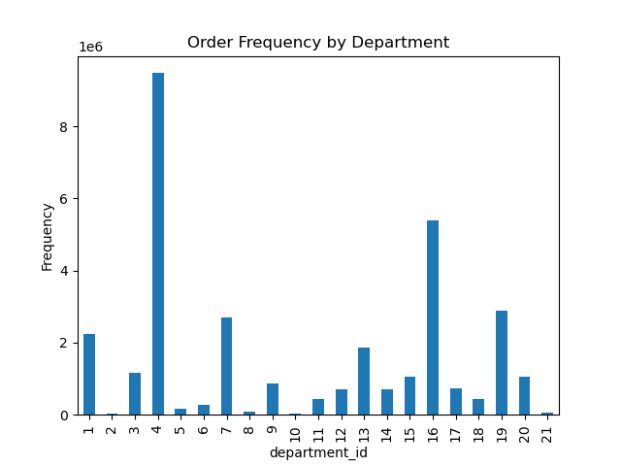
ID | Department
1 | frozen
2 | other
3 | bakery
4 | produce
5 | alcohol
6 | international
7 | beverages
8 | pets
9 | dry goods pasta
10 | bulk
11 | personal care
12 | meat seafood
13 | pantry
14 | breakfast
15 | canned goods
16 | dairy eggs
17 | household
18 | babies
19 | snacks
20 | deli
21 | missing
Q4: Are there certain types of products that are more popular than others? Which departments have the highest frequency of product orders?

The departments with the highest order frequency are Produce (ID 4) and Dairy Eggs (ID 16). The departments with the second highest tier of order frequency are, in order, Snacks (ID 19), Beverages (ID 7), Frozen (ID 1) and Pantry (ID 13).


Frequency of Orders by Loyalty

Frequency

Regular Customer
Loyal Customer
New Customer

Q5: Are there differences in ordering habits based on a customer’s loyalty status?

Regular customers, those whose max order is between 10 and 40, make up the majority of the customer base.

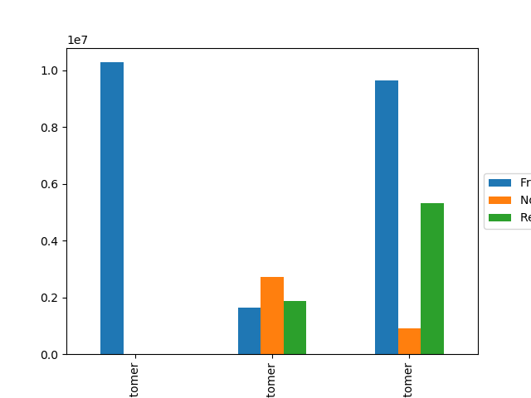
Frequency of Orders by Loyalty

Loyal Customer
New Customer
Regular Customer

Q6: What’s the distribution among users in regards to their brand loyalty (i.e., how often do they return to Instacart)?

Loyal Customers (max number of orders > 40) are only slightly ahead of Regular Customers (max number of orders between 10 and 40) in terms of being the most frequent customers. Note also that Loyal Customers are almost non existent in in the Non-Frequent and Regular Customer base in terms of order frequency.

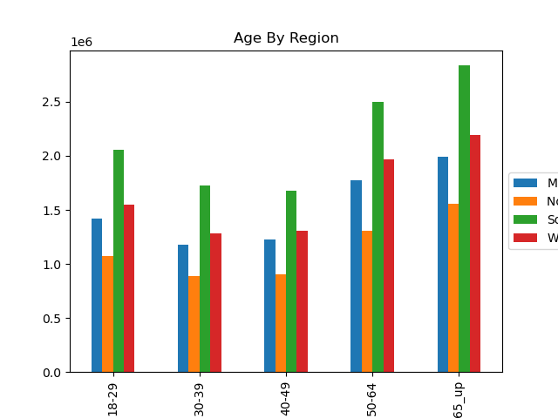
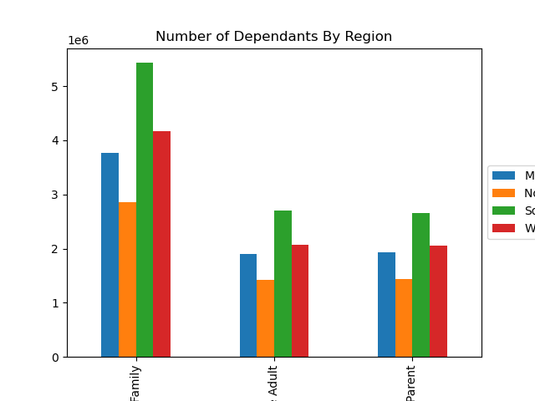

Large Family
Single Adult
Young Parent

Q7 & 8: Are there differences in ordering habits based on a customer’s region? Is there a connection between age and family status in terms of ordering habits?

In terms of regions, the largest customer base is in the South as is reflected in both charts above by "Number of Dependants" and "Age Groups". This is followed by the West having the second largest customer base. Large Families and those 65 and older place the most orders in every region.

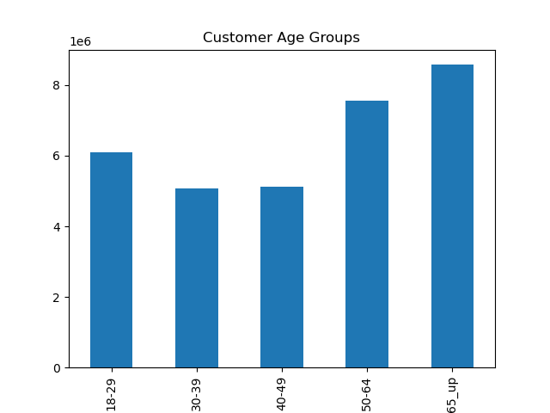
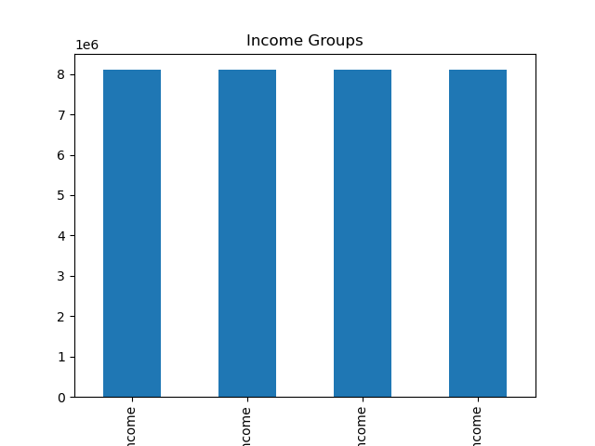

High Income
Low Income
Middle Income
Very High Income

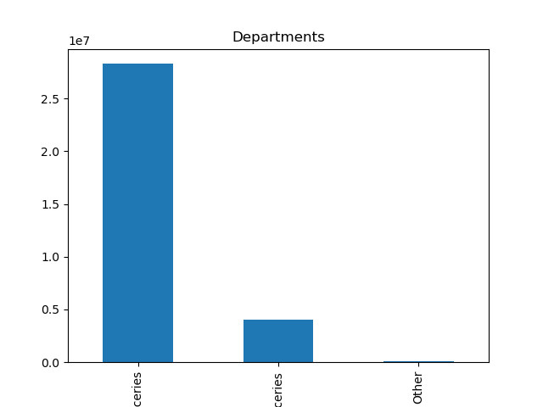
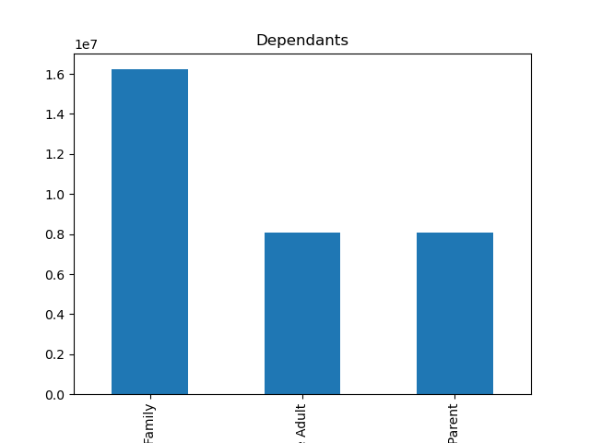

Groceries
Non Groceries
Other
Large Family
Single Adult
Young Parent

Q9: What different classifications does the demographic information suggest? Age? Income? Certain types of goods? Family status?

Age: The largest customer age groups are older adults with those 65+ taking the lead followed by those age 50-64.
Income: The income levels of the customer base are fairly even among all groups.
Departments: We saw above that Produce and Dairy Eggs are the most popular departments on an individual department level but when departments are grouped into categories we see that Groceries are far more popular than Non Grocery items.
Dependants: The largest dependant demographic are those with 2 or more dependants, defined as a "Large Family" while those with 1 dependants "Young Parent" is on par with those with 0 dependants (Single Adults).

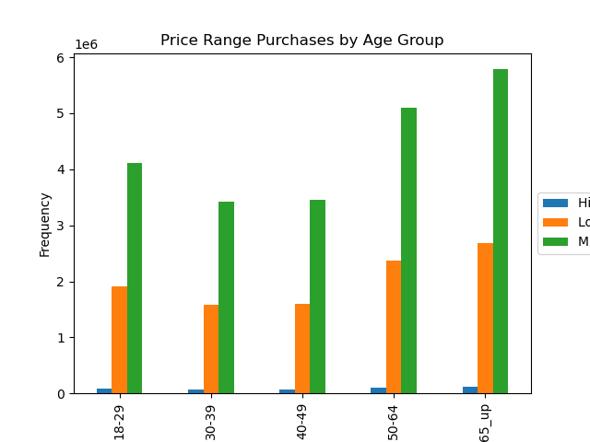
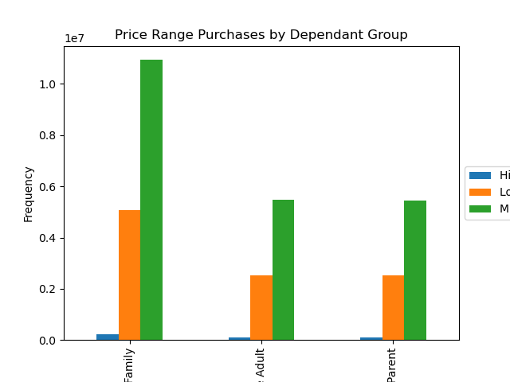

Large Family
Single Adult
Young Parent

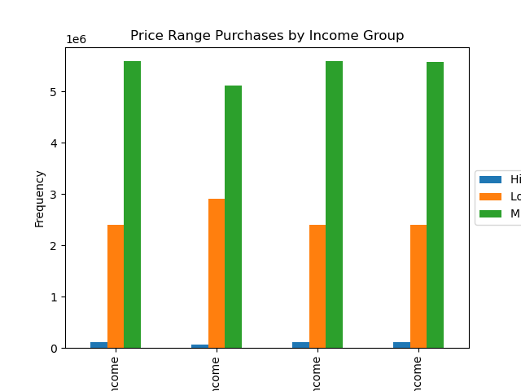
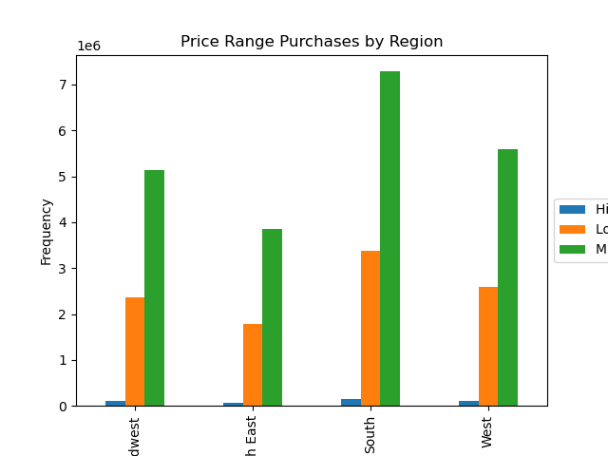

High Income
Low Income
Middle Income
Very High Income
MIdwest
North East
South
West

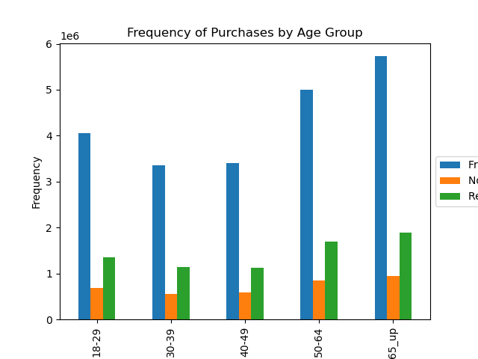
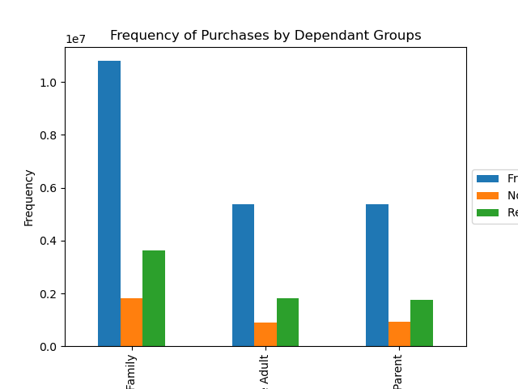

Large Family
Single Adult
Young Parent

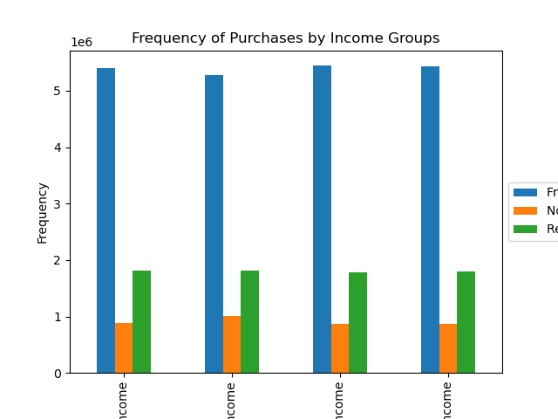
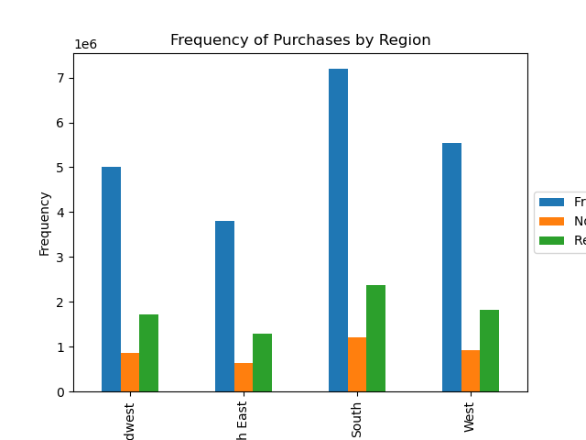

High Income
Low Income
Middle Income
Very High Income
MIdwest
North East
South
West

Q10: What differences can you find in ordering habits of different customer profiles? Consider the price of orders, the frequency of orders, etc.

Almost all of the data is proportional to the amount of users by demographic. We've seen that the highest number of users in each demographic are the South, older adults, and large familes and this is reflected in the breakdown of order frequency by Price and Frequency (median days since prior order). The only noticeable shift that does not appear directly proportional to number of users is a small change in "Price Range Purchases by Income Group". We saw above in a previous chart that each income group has a relatively equal number of users, however, when looking at the breakdown of prince range purchases by income group we see the Low Income tends to buy more Low Range Products vs Mid Range Products than the other 3 Income Groups.

7. Recommendations
 |  |  | Title page

Recommendations

In this tab you should include any recommendations you would make to Instcart in terms of their marketing strategy based on the questions posed in the brief. Every key question has been covered in the Tasks of the Exercises - here you need to add an item - a visualisation or table/crosstable that is showing the answer in the data, accompanied by a comment from you. Please, list the questions below and add the answer underneath.

Question | Answer | Recommendation
Key Question 1: The sales team needs to know what the busiest days of the week and hours of the day are (i.e., the days and times with the most orders) in order to schedule ads at times when there are fewer orders. | The busiest hours are from hours 9 - 16 (9 am to 4 pm). The least busy hours are understandably from hours 0 - 5 (12am to 5 am), while hours 6 - 8 (6 am to 8 am) and 17 - 23 (5 pm to 11 pm) are defined as Average Order Hours. The busiest days of the week are Saturday and Sunday with Tuesday and Wednesday being the slowest. The remaining days of Monday, Tuesday and Thursday are defined are Regularly Busy. | Based on this data I would recommend offering shoppers deals or coupons on Tuesdays and Wednesdays, the slowest days of the week focusing on Average Order Hours of 6-8 and 17-23. Although 0-5 are the slowest hours, many people are simply not going to shop in the middle of the night. The coupons posed during Average Order Hours could be branded as Early Risers (6-8) and Night Owl (17-23) Specials.
Key Question 2: Are there particular times of day when people spend the most money? | We see 2 spikes of an increase in average purchase price at 2 am and 4 am. Although these hours are typically among the least busy hours, when people do place an order than they tend to buy more expensive items. | Target these specific customers with deals 1-2 hours before the time they previously purchased specific expensive items that were bought at these times.
Key Question 3: Instacart has a lot of products with different price tags. Marketing and sales want to use simpler price range groupings to help direct their efforts | Mid range products are the most frequently purchased group, doubling that of low-range products in 2nd place. | Offer coupons to customers for High Range Products to boost sales of this category based on a certain number of Mid Range Products bought. This ensures that the customer will still buy the Mid Range Product they were planning on getting while also adding some additional High Range Products into their cart.
Key Question 4: Are there certain types of products that are more popular than others? Which departments have the highest frequency of product orders? | The departments with the highest order frequency are Produce (ID 4) and Dairy Eggs (ID 16). The departments with the second highest tier of order frequency are, in order, Snacks (ID 19), Beverages (ID 7), Frozen (ID 1) and Pantry (ID 13). | Similar to the last recommendation, offer coupons to customers for lower selling categories based on buying a certain number of products from higher selling categories. They are purchasing from this high selling categories already and will feel they are getting a good deal while also boosting sales in lower selling categories.
Key Question 5: Are there differences in ordering habits based on a customer’s loyalty status? | Regular customers, those whose max order is between 10 and 40, make up the majority of the customer base. | Target all loyalty groupings with rewards based on loyalty status. This will help New Customers become Regular Customers and Regular Customers become Loyal Customers. Loyal Customers will be encouraged to stay and be rewarded for their loyalty.
Key Question 6: What’s the distribution among users in regards to their brand loyalty (i.e., how often do they return to Instacart)? | Loyal Customers (max number of orders > 40) are only slightly ahead of Regular Customers (max number of orders between 10 and 40) in terms of being the most frequent customers. Note also that Loyal Customers are almost non existent in in the Non-Frequent and Regular Customer base in terms of order frequency. | Looking at the New Customer category in the previous tab's bar chart we see that their highest category is being a "Non-Frequent Customer, meaning it has been more than 20 days since their last order on average. Target New Customers with offers to return more frequently after thier first few orders to encourage them to continue coming back.
Key Questions 7 & 8: Are there differences in ordering habits based on a customer’s region? Is there a connection between age and family status in terms of ordering habits? | In terms of regions, the largest customer base is in the South as is reflected in both charts above by "Number of Dependants" and "Age Groups". This is followed by the West having the second largest customer base. Large Families and those 65 and older place the most orders in every region. | Single Adults and Young Parents, particularly those in age groups 30-39 and 40-49, who live in the North East and Midwest are the least represented among our customer demographics. Design a marketing campaign around this demographic to boost sales.
Key Question 9: What different classifications does the demographic information suggest? Age? Income? Certain types of goods? Family status? | Age: The largest customer age groups are older adults with those 65+ taking the lead followed by those age 50-64. Income: The income levels of the customer base are fairly even among all groups. Departments: We saw above that Produce and Dairy Eggs are the most popular departments on an individual department level but when departments are grouped into categories we see that Groceries are far more popular than Non Grocery items. Dependants: The largest dependant demographic are those with 2 or more dependants, defined as a "Large Family" while those with 1 dependants "Young Parent" is on par with those with 0 dependants (Single Adults). | As above, customers in age groups 30-39, 40-49 and with 0 or 1 dependant, are the least represented group among our customer demographics. A marketing campaign needs to be targeted at this age bracket.
Key Question 10: What differences can you find in ordering habits of different customer profiles? Consider the price of orders, the frequency of orders, etc. | Almost all of the data is proportional to the amount of users by demographic. We've seen that the highest number of users in each demographic are the South, older adults, and large familes and this is reflected in the breakdown of order frequency by Price and Frequency (median days since prior order). The only noticeable shift that does not appear directly proportional to number of users is a small change in "Price Range Purchases by Income Group". We saw in a previous chart that each income group has a relatively equal number of users, however, when looking at the breakdown of prince range purchases by income group we see the Low Income tends to buy more Low Range Products vs Mid Range Products than the other 3 Income Groups. | All previous recommendations fit here. Boost sales of High Range Products by coupling them with sales of Mid Range Products. Target low customer representation of those aged 30-49 with 0 or 1 dependant. Target all customers living in the North East and Midwest to boost sales in these regions.

